Sheet1
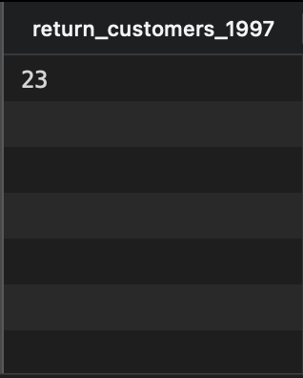
select count(cust_filter.CustomerID) as return_customers_1997
from (
 | select CustomerID, count(OrderID)
 | from orders
 | where OrderDate like '%1997%'
 | group by CustomerID
 | having count(OrderID) > 1
) as cust_filter

